1. Title Page
Instacart Grocery Basket Analysis

Project Name: Instacart Basket Analysis
Date: 10/23/23
Analyst Name: Leeza Parida

Contents:
Population Flow
Consistency checks
Wrangling steps
Column derivations
Visualizations
Recommendations

Citaion: “The Instacart Online Grocery Shopping Dataset 2017”, Accessed from www.instacart.com/datasets/grocery-shopping-2017 via Kaggle.

2. Population Flow
Title page

Population flow

Exclusion flag
Condition: max_order < 5
Obervations to be removed: 1440295
Final total count of order_products_all: 30964564,36

Orders_products_combined
Orders_products_merged
Orders_products_all

Total: 32404859, 23
Total: 32434489,12
Total: 32404859,32

1.) The grey boxes in the first row of the population flow represent the original data sets as they were when you downloaded them. In the Total fields you need to add the count of the rows when you imported the data set into Jupyter.
2.) The second row of boxes (coloured) represents the data sets after you manipulated them, e.g., removed missing values and duplicates. In the Total fields you need to add the count of the rows after conducting these operations. This offers a visual oveview of how the data flows throughout the data consistency checks.
3.) The third row, where also the arrows are coloured, represents the merges you performed between the datasets. In the Total fields you need to add the count of the rows in the merged datasets, so that you end up with the final dataset (in the red box). Keep in mind the final dataset should be without exclusions (based on the exclusion flag).

3. Consistency checks
 |  |  |  | Title page
Consistency checks

Dataset | Missing values | Missing values treatment | Duplicates
orders | There were 206,209 missing numbers for "days_since_prior_order". | Null Values were replaced by 0s as customers placing first orders had no prior orders. | There were no duplicates.
products | There were 16 missing values for 'product_name' column. | Deleted the missing values | 5 duplicates found
orders_products_prior | There were no missing values. | No missing values found. | No duplicates found.
customers | There werev 11259 missing values for 'First Name' column. | No action was required. | No duplicates found.

4. Wrangling steps
 |  |  |  | Title page
Wrangling steps

Columns dropped | Columns renamed | Columns' type changed | Comment/Reason
eval_set' of orders file |  |  | It didn't make sense.
Unnamed: 0.1', 'Unnamed: 0','_merge' |  |  | Not needed
 | orders_dow' renamed to 'orders_day_of_week' , days_since_prior_prder to days_since_last_order
 |  | orde_id,0rder_number | changed to string for convinience
 | First Name' : 'first_name', 'Surnam' : 'last_name', 'Gender' : 'gender', 'STATE' : 'state', 'Age' : 'age', 'date_joined' : 'date_of_joining', 'n_dependants' : 'dependents_counts', 'fam_status' : 'family_status' |  | It was easy to comprehend.
first_name','last_name' |  |  | Personal information excluded for security reasons

5. Column derivations
 |  |  |  | Title page

Column derivations and aggregations

In this tab you should add tables below that the frequences of flags/label variables that you produced after deriving them. NB: don't do this for continuous variables, only for flags.
Dataset | New column | Column/s it was derived from | Conditions
orders_products_merged | price_range_loc | prices | if prices <=5, Low -range product if prices >5 & <= 15 Mid -range product: if prices > 15 High- range product:
orders_products_merged | Busiest_day | orders_day_of_week | if orders_day_of_week== 0: its "Busiest day" or else if its value == 4:, its "Least busy" else: "Regularly busy"
orders_products_merged | Busiest_days | orders_day_of_week | if orders_day_of_week"== 0: "Most Busiest day" elif value == 1: "Second Busiest day" elif value == 4: " Least busy" elif value == 3: "Second Least busy" else: "Regularly busy"
orders_products_merged | busiest_period_of_day | order_hour_of_day | if order_hour_of_day >= 9 and <= 17: "Most Orders" elif value >= 0 and value <= 6: "Fewest Orders" else: "Average Orders"
orders_products_merged | max_order | user_id, order_number | Maximum number of orders for each user
orders_products_merged_updated | loyalty_flag | max_order | if 'max_order' > 40, 'loyalty_flag' = 'Loyal customer' or else value <= 40 & > 10, 'loyalty_flag'= 'Regular customer' or else value <= 10, 'loyalty_flag' = 'New customer'
orders_products_merged_updated | avg_prices | prices | average of prices purchased by each user
orders_products_merged_updated | spending_flag | avg_prices,user_id | avg_prices' <10, 'spending_flag' = 'Low Spender' 'avg_prices' >=10, 'spending_flag' = 'High Spender'
orders_products_merged_updated | median_dspo | days_since_prior_order,user_id | regularity of a user’s ordering behavior according to the median in the “days_since_prior_order”
orders_products_merged_updated | order_frequency | median_dspo | median_dspo' >20, 'order_frequency' = 'Non-frequent customer' median_dspo' >10 & median_dspo < 20, 'order_frequency' = 'Regular customer' median_dspo <= 10, 'order_frequency' = 'Frequent customer'
cust_ords_prods | region | state | state isin(Northeast), 'region' = 'Northeast' 'state' isin(Midwest), 'region' = 'Midwest' 'state' isin(South), 'region' = 'South' 'state' isin(West), 'region'] = 'West'
cust_ords_prods | customer_status | max_order | max_order <5, customer_status = 'less active' max_order >=5, customer_status = 'highly active'
cust_ords_prods | age_group | age | age' >= 18 & 'age' <= 28, 'age_group'] = '18-28 years old' 'age' >= 29 & 'age' <= 39, 'age_group' = '29-39 years old' 'age' >= 40 & age' <= 54, 'age_group' = '40-54 years old' 'age' >= 55 & 'age' <= 69, 'age_group' = '55-69 years old' 'age' >= 70 & 'age' <= 85, 'age_group' = '70-85 years old' 'age' > 85 & 'age' < 18, 'age_group' = 'unidentified'
cust_ords_prods | income_group | income | income' <= 40000, 'income_group' = 'Low Income' 'income' > 40000 & 'income' <= 90000 , 'income_group' = 'Average Income' 'income' > 90000, 'income_group' = 'High Income'
cust_ords_prods | customer-profile | family_status, dependents_counts | family_status' == 'single' and 'dependents_counts' == 0: return 'Single person' else if 'family_status' == 'single' and 'dependents_counts' > 0: return 'Single Parent with children' elif 'family_status' == 'married' and 'dependents_counts' >= 2: return 'Married with children' elif 'family_status' == 'married' and 'dependents_counts' == 1: return 'Married without children' else: return 'family_status'

6. Visualizations
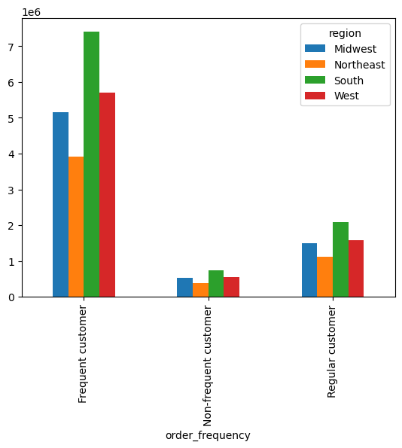
 |  |  |  | Title page

Visualisations

In this tab you should include all the visualtions from Exercises 4.9 and 4.10, alongside the questions from the project brief that they answer. Include any commentary on the relationship between different variables.

Bar chart of Frequency of 'orders_day_of_week' x axis representing orders_day_of_week while y axis represententing frequency |  |  |  |  | Histogram of frequency of 'prices'
 |  |  |  |  |  |  | Line chart of prices and orders_day_of_week
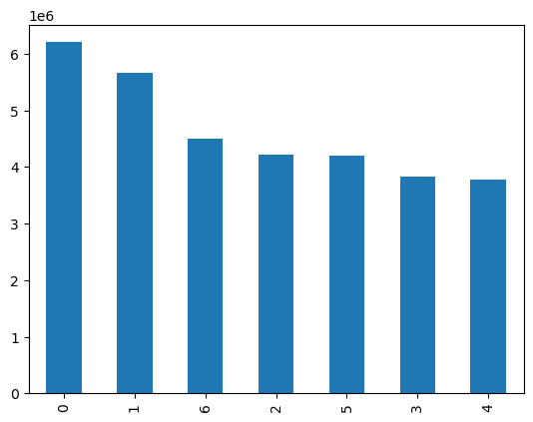

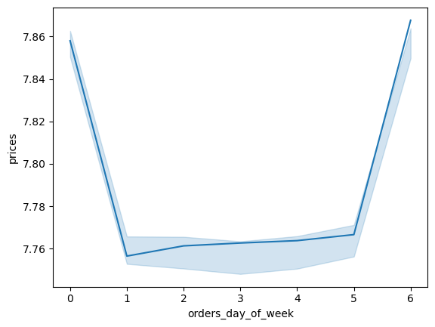

 | Histogram of Frequency of sales orders by hour of day

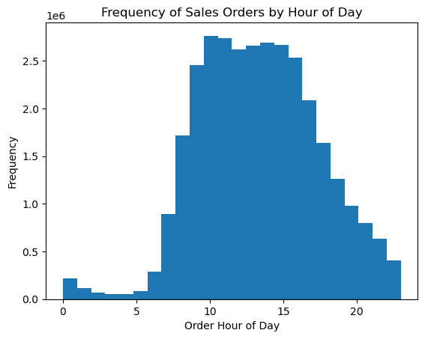
 |  |  |  |  | Bar chart of loyalty flag frequency
 |  |  |  |  |  |  | Line chart of prices and order_hour_of_day

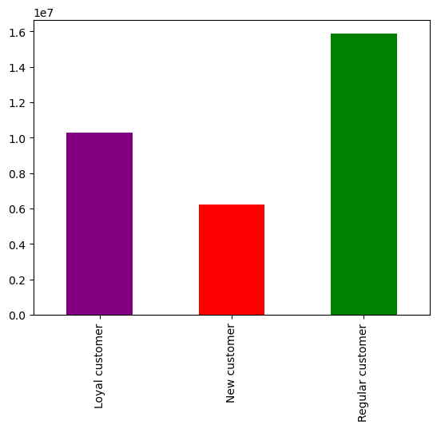
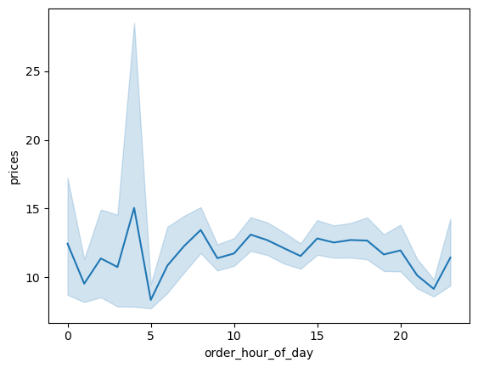

 | Line chart of dependents_counts and age
 |  |  |  |  |  | Scatterplot of age and income |  | Bar chart of customer profile

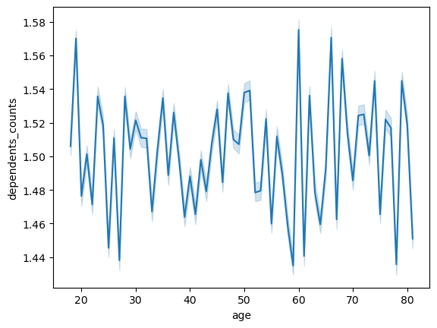

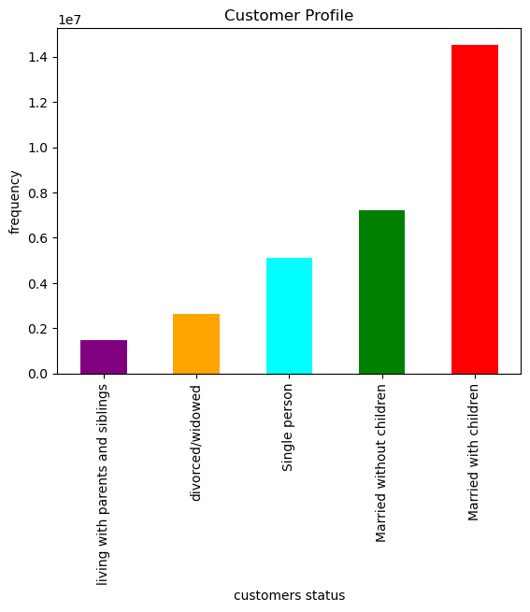

 |  | Bar chart of Agegroup frequency
 |  |  |  |  | Bar chart of Income group frequency |  |  | Bar chart of Department_name frequency
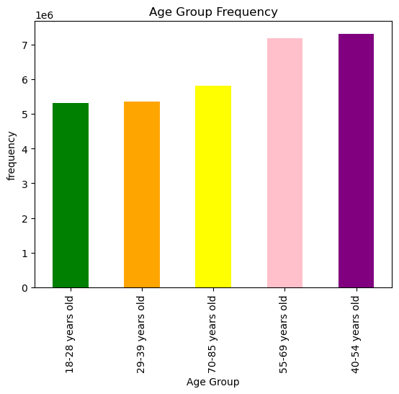
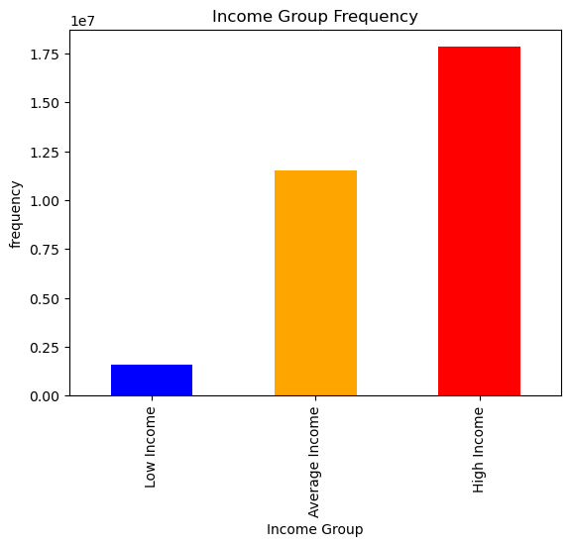
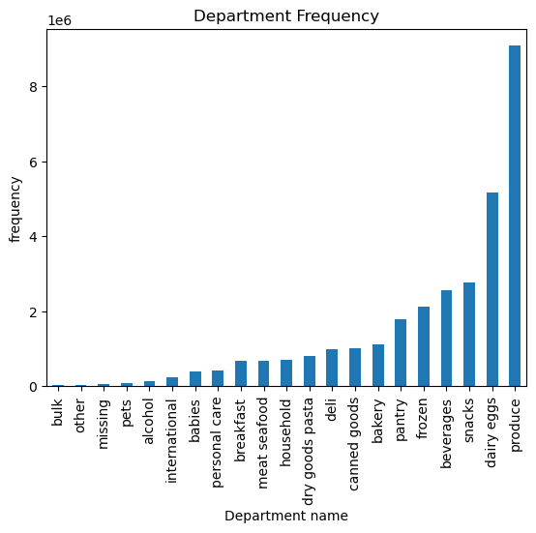

 |  | Line chart of order_day_of_week and order_frequency |  |  |  | Line chart of order_hour_of_day and frequency of orders
 |  |  |  |  |  |  |  | Comparison of various income groups based on regions
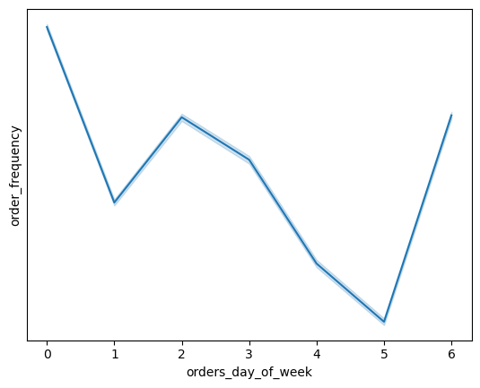
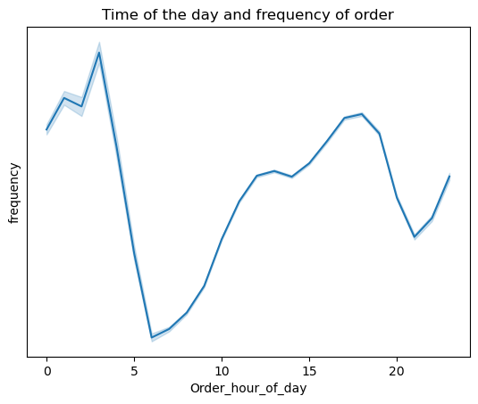
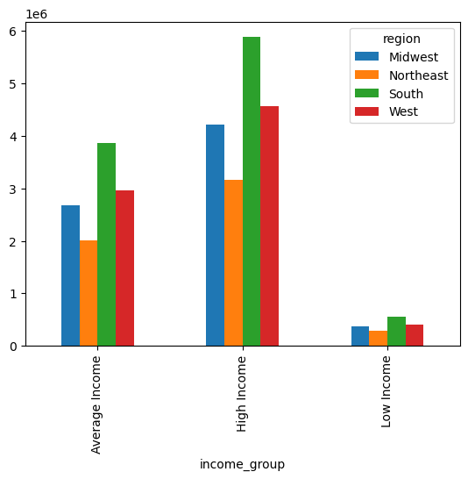

 |  |  | Comparison of order_frequency based on regions

7. Recommendations
 |  | Title page

Recommendations

In this tab you should include any recommendations you would made to Instcart in terms of their marketing strategy based on the questions posed in the brief. Every key question has been covered in the Tasks of the Exercises - here you need to add an item - a visualisation or table/crosstable that is showing the answer in the data, acompanied by a comment from you. Please, list the questions below and add the answer underneath.

Question | Answer
Key Question 1 The sales team needs to know what the busiest days of the week and hours of the day are (i.e., the days and times with the most orders) in order to schedule ads at times when there are fewer orders. | Q1: The busiest days for orders are Saturday and Sunday, with the peak ordering hours occurring between 9 am and 5 pm. The order volume sees a slight increase starting at 6 am, reaching its peak at 10 am, and then remains steady until 4 pm. After 5 pm, the number of orders gradually decreases, reaching its lowest point around midnight . This marketing strategy involves scheduling advertising campaigns during peak order times, especially on Saturdays and Sundays, to capture the attention of the largest customer base. Additionally, it recommends focusing marketing efforts during the peak hours from 9 am to 5 pm, with the potential inclusion of promotions to engage customers and boost orders. To stimulate orders during non-peak hours, the strategy proposes introducing special promotions and discounts, encouraging customers to order during slower periods and maintain steady sales.
Key Question 2 They also want to know whether there are particular times of the day when people spend the most money, as this might inform the type of products they advertise at these times. | Q2 : The data reveals that the busiest hour for orders is typically around 10 am. This suggests that people tend to place orders and potentially spend more money during this specific time of the day. To leverage this information, the company can focus its advertising efforts during the 10 am hour.This targeted approach can help maximize sales and revenue during the busiest period of the day.
Key Question 3 Instacart has a lot of products with different price tags. Marketing and sales want to use simpler price range groupings to help direct their efforts | Q3: Most of the products in Instacart's inventory are mid-range in terms of pricing, the company should implement a pricing strategy that capitalizes on this information. Marketing and sales efforts can be streamlined by creating clear price range groupings, such as "Budget-Friendly," "Mid-Range," and "Premium." This simplifies the approach and allows for targeted promotions, cross-selling related products, and customer segmentation based on price preferences.
Key Question 4 Are there certain types of products that are more popular than others? The marketing and sales teams want to know which departments have the highest frequency of product orders. | Q4: As dairy, eggs, and produce have the highest frequency of orders, it indicates that these departments are more popular than others. The marketing and sales teams should focus their efforts on these departments, promoting related products, and potentially expanding the product range within these categories. Additionally, they can consider running targeted promotions, cross-selling complementary items, and identifying customer preferences within these high-frequency departments.
Key Question 5 Are there differences in ordering habits based on a customer’s loyalty status? | Q5: Yes, there are likely differences in ordering habits based on a customer's loyalty status. With the most number of regular customers, fewer loyal customers, and fewest new customers, it's important to analyze how these different customer segments behave when it comes to ordering. Regular customers may have established ordering patterns, and understanding these patterns can help in maintaining their loyalty and maximizing their orders. Loyal customers may exhibit more consistent and frequent ordering behavior, which could be leveraged for targeted promotions and exclusive offers to keep them engaged. New customers may require different strategies to encourage repeat orders and convert them into regular or loyal customers.
Key Question 6 Are there differences in ordering habits based on a customer’s region? | Q6: Customer preferences: Customers in the South region may be more likely to prefer the products or services that we offer. Market saturation: The South and West regions may be less saturated with our type of business than other regions. This means that we could have less competition and more opportunities to attract and retain customers in these regions. Marketing and sales efforts: South region may want to focus on highlighting their unique selling points and offering competitive prices. Businesses that are targeting customers in the Northeast region may want to focus on building relationships with customers and providing excellent customer service.
Key Question 7 Is there a connection between age and family status in terms of ordering habits? | Q7: The age group 40-69 years is the most active in ordering, which could indicate that individuals in this age range are likely to have families, such as children or spouses, potentially contributing to higher order volumes. Furthermore, the fact that "married with children" family status has the highest order frequency while "people living with parents and siblings" have the fewest orders also suggests a connection between family status and ordering habits. Married individuals with children often have larger households with more needs, leading to more frequent orders, while those living with parents and siblings may share resources and, consequently, place fewer orders. We can specialize offers for "married with children" families. Attract singles and younger audiences with personalized incentives. Utilize data-driven strategies for customer segmentation. Implement seasonal and retention campaigns. Gather feedback to adapt to evolving customer preferences and enhance customer relationships.
Key Question 8 What different classifications does the demographic information suggest? Age? Income? Certain types of goods? Family status? | Q8: The age range of 40 to 69 years may indicate a preference for fresh, high-quality food items, such as dairy, eggs, and produce. Income: Users with high or average income levels may be more inclined to spend on premium or organic options within the dairy, egg, and produce categories. Family Status: Users who are "married with children" are more likely to buy family-sized portions of dairy, eggs, and produce. Incorporating these insights, we can tailor marketing strategies and product offerings to appeal to this specific demographic's preferences, such as promoting organic or family-sized options for dairy, eggs, and produce. This can help boost sales and meet the needs of our most active customer segment.
Key Question 9 What differences can you find in ordering habits of different customer profiles? Consider the price of orders, the frequency of orders, the products customers are ordering, and anything else you can think of. | Q9: Order Frequency: Regular customers tend to place orders more frequently, while new customers order less often. Loyal customers fall in between. Product Preferences: Customers with varying profiles might prefer different products. For example, regular customers may favor high-quality or specialty items, while new customers might be more price-conscious. Price of OrdersRegular customers may place larger orders with higher total prices due to their frequent and more extensive purchases. New customers might place smaller orders as they test the service. Time of Orders:Most customers prefer to order on weekend and the busiest hour is 10 am . Promotion Engagement: Regular customers may be more responsive to loyalty programs, discounts, or promotions. This behavior can influence their ordering habits.

